Access Request & Approval
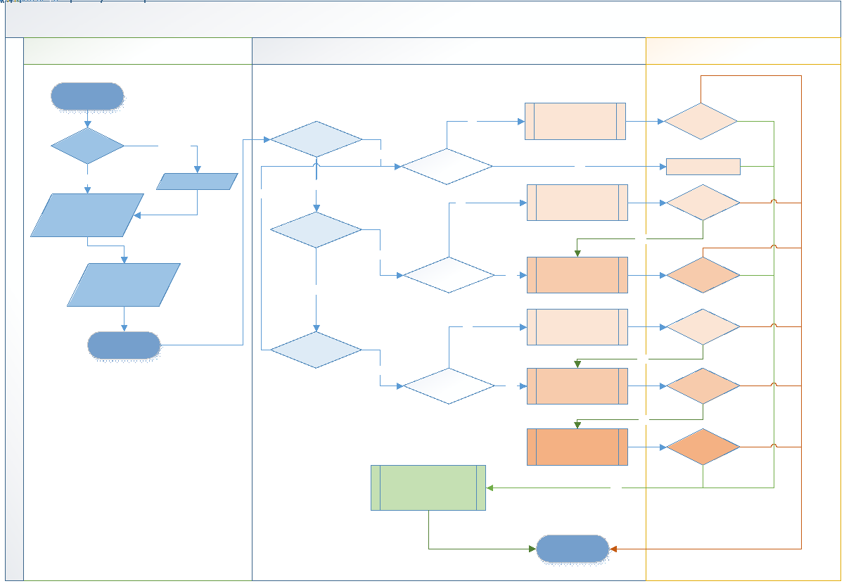
<< Go To Index >>

